Instructions and Example
Instructions for filling out the worksheet |  | Instructions for Completing the AAP OT Calculation Worksheet
AAP Name | Name of the Achievement Award Plan | Enter Name of AAP
AAP Timeframe | 01/01/2021 - 06/30/2021 | Enter AAP Timeframe (Start - End Date). Should be the same for all employees in the plan. | 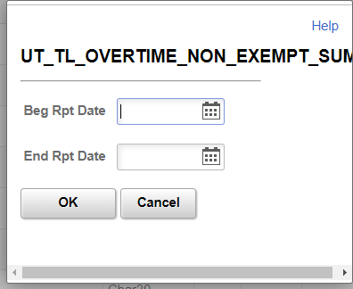
Empl ID | 111111 | Enter the Employee's PeopleSoft HCM Empl ID # |  | HCM Query Information
Employee Name | Mouse, Mickey | Enter the Employee's name as shown in PeopleSoft HCM |  | Pass submitters will need to run HCM public query UT_TL_Overtime_Non_Exempt_Sum, for all Non Exempt employees (biweekly and semi-monthly). When running the query, you will be asked for a Beg Rpt Date and End Rpt Date. These dates should match the start and end dates that were entered in the AAP Timeframe box on the worksheet.
# of OT hrs worked during AAP timeframe | 10.75 | Enter # of overtime hours worked during the AAP timeframe See overtime query Information/Instructions ==============>
Award Amount Earned | $200.00 | Enter the amount the employee has earned based on the achivement criteria shown in the approved AAP. |  | The query results will show all overtime paid to any employee within the requestor's security clearance for the entire AAP timeframe. Non-exempt employees, who are included in the approved AAP, and who show up on this report with hours in "Sum Quantity" column, as shown below, are due additional overtime pay. The "Sum Quantity" hours are the hours that must be entered into the field titled, "# of OT hrs worked during AAP timeframe". If the nonexempt employees do not show up, then no overtime hours were paid, and you will enter "0".
# of Business Days in AAP timeframe | 129 | Use the Payroll Processing calendar for the employee's payroll type (semi-monthly or bi-weekly) to determine the total number of business days in the achievement award timeframe. https://inside.uth.edu/finance/payroll/calendars.htm |  | Sample Output from this query:
Total # of Regular Project Hours (# days * 8 hrs/day) | 1032 | This field will auto-calculate. |  | Dept ID | Descr | ID | Name | Descr | TRC | Descr | Sum Quantity
Award Hourly Rate (Award Earned / Regular Project Hours) | $0.19 | This field will auto-calculate. |  | XXXXXXXX | XXX Dept | 111111 | Mouse, Mickey | Senior Executive Assistant | OVT | Overtime 1.5 | 10.75
OT Half-Time Rate per hour | $0.10 | This field will auto-calculate. |  | XXXXXXXX | XXX Dept | 222222 | Mouse, Minnie | Patient Access Rep | OVT | Overtime 1.5 | 0.5
Additional OT Pay Due (half time rate X OT hrs worked) | $1.04 | This field will auto-calculate. |  | XXXXXXXX | XXX Dept | 333333 | Duck, Donald | Accountant I - UTP | OVT | Overtime 1.5 | 4.58333
Actual Achievement Award to Submit | $201.04 | This field will auto-calculate. Enter this amount on the PASS transaction. Upload a copy of the completed worksheet to the PASS transaction. See additional PASS Transaction instructions ==============> |  | Additional PASS Transaction Instructions
 |  |  |  | PASS Transaction Action Code |  |  |  | Additional Pay
 |  |  |  | PASS Transaction Earnings Code |  |  |  | ACH

